S2_Fresh vs all
Supplementary Table S2
Statistical significance between fresh and other samples (cryopreserved, freeze-dried)

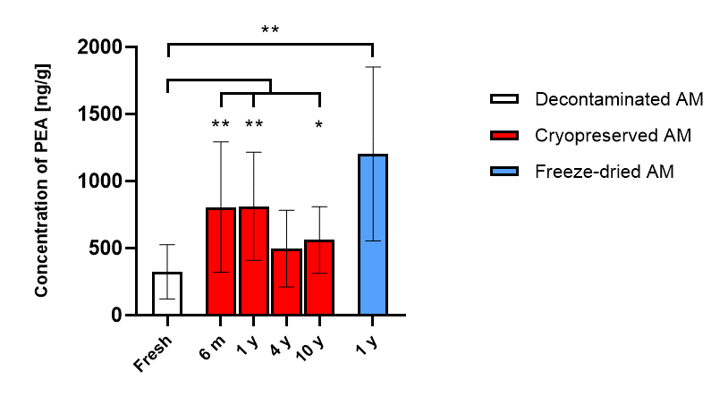
PEA
Placenta | Fresh | Deco | Cryo 6 m | Cryo 1 y | Cryo 4 y | Cryo 10 y | F-Dry 1 y
P1 | 217.55 | 1487.36 | 1817.50 | 1362.33 | 991.33 | 267.00 | 2013.88
P2 | 239.34 | 1383.82 | 684.00 | 1273.33 | 569.83 | 351.00 | 906.99
P3 | 148.16 | 1218.37 | 895.67 | 497.07 | 243.12 | 667.74 | 603.46
P4 | 662.22 | 1369.13 | 627.75 | 247.97 | 261.30 | 433.21 | 1094.44
P5 | 395.33 | 1502.71 | 321.27 | 387.19 | 280.48 | 748.00 | 500.76
P6 | 171.08 | 1169.34 | 485.80 | 590.37 | 881.50 | 900.00 | 2195.56
P7 | 258.84 | 768.35 | 811.82 | 992.50 | 261.90 | n/a | 1347.16
P8 | 652.88 | 958.97 | n/a | 828.00 | 622.00 | n/a | 311.84
P9 | 169.26 | 1317.81 | n/a | 1137.00 | 363.00 | n/a | n/a
AV | 323.85 | 1241.76 | 806.26 | 812.86 | 497.16 | 561.16 | 1121.76
SD | 202.68 | 245.07 | 485.69 | 403.27 | 285.76 | 248.25 | 692.50

Mann-Whitney U test
Samples |  | P value | Significance
Deco vs Fresh |  | <0.0001 | ****
Fresh vs Cryo 6 m |  | 0.0079 | **
Fresh vs Cryo 1 y |  | 0.0078 | **
Fresh vs Cryo 4 y |  | 0.0770 | ns
Freshvs Cryo 10 y |  | 0.0256 | *
Fresh vs F-Dry 1 y |  | 0.0042 | **

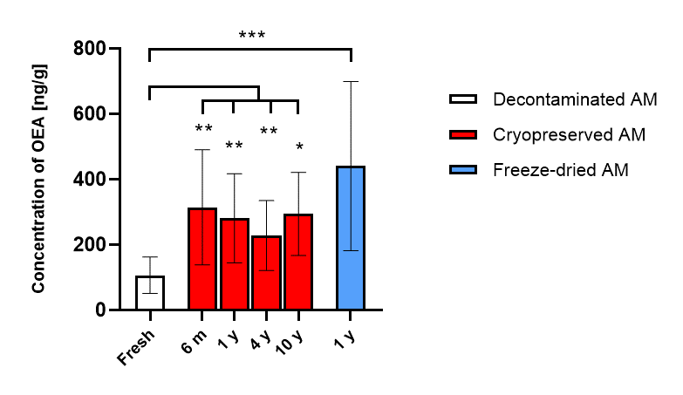
OEA
Placenta | Fresh | Deco | Cryo 6 m | Cryo 1 y | Cryo 4 y | Cryo 10 y | F-Dry 1 y
P1 | 126.75 | 174.31 | 593.80 | 417.34 | 474.31 | 326.07 | 798.47
P2 | 115.26 | 324.58 | 211.28 | 462.89 | 266.73 | 236.90 | 239.01
P3 | 59.80 | 241.46 | 367.03 | 141.24 | 224.37 | 338.00 | 153.30
P4 | 150.75 | 294.67 | 489.60 | 134.50 | 223.04 | 454.44 | 349.36
P5 | 101.69 | 404.21 | 110.89 | 206.90 | 261.90 | 113.42 | 365.83
P6 | 65.57 | 591.05 | 186.17 | 210.90 | 187.25 | n/a | n/a
P7 | 67.96 | 218.22 | 241.35 | 158.12 | 113.42 | n/a | 803.17
P8 | 223.06 | 353.50 | n/a | 352.09 | 171.88 | n/a | 372.64
P9 | 48.17 | 281.82 | n/a | 441.05 | 127.88 | n/a | n/a
AV | 106.56 | 320.42 | 314.30 | 280.56 | 227.87 | 293.77 | 440.25
SD | 55.68 | 123.26 | 175.76 | 136.40 | 106.84 | 127.06 | 258.60

Mann-Whitney U test
Samples |  | P value | Significance
Deco vs Fresh |  | 0.0002 | ***
Fresh vs Cryo 6 m |  | 0.0052 | **
Fresh vs Cryo 1 y |  | 0.0019 | **
Fresh vs Cryo 4 y |  | 0.0040 | **
Fresh vs Cryo 10 y |  | 0.0120 | *
Fresh vs F-Dry 1 y |  | 0.0003 | ***

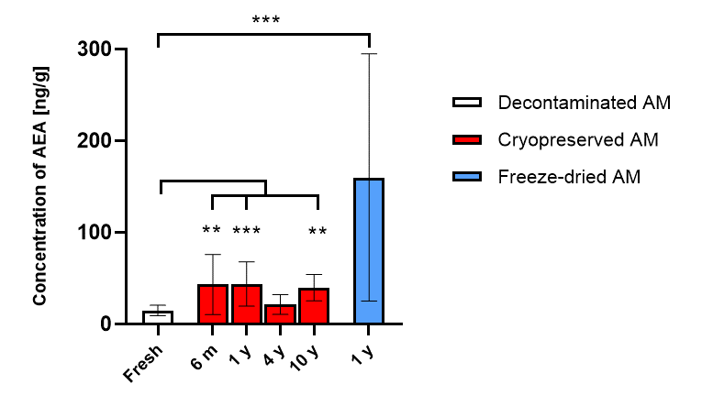
AEA
Placenta | Fresh | Deco | Cryo 6 m | Cryo 1 y | Cryo 4 y | Cryo 10 y | F-Dry 1 y
P1 | 11.67 | 20.43 | 109.17 | 58.46 | 33.14 | 30.28 | 317.23
P2 | 12.71 | 36.45 | 26.10 | 61.87 | 26.19 | 29.29 | 36.67
P3 | 4.98 | 11.74 | 59.98 | 24.84 | 13.94 | 39.19 | 24.23
P4 | 17.77 | 22.60 | 16.02 | 15.24 | 13.43 | 60.30 | 60.98
P5 | 9.28 | 37.47 | 19.04 | 27.21 | 35.08 | n/a | 223.28
P6 (P11) | 17.92 | 87.07 | 29.61 | 31.03 | 7.52 | n/a | n/a
P7 | 17.71 | 75.42 | 42.43 | 27.33 | n/a | n/a | n/a
P8 (P10) | 17.09 | 37.52 | n/a | 59.00 | 12.03 | n/a | 297.60
P9 | 24.69 | 63.51 | n/a | 88.35 | 29.12 | n/a | n/a
AV | 14.87 | 43.58 | 43.19 | 43.70 | 21.31 | 39.76 | 160.00
SD | 5.82 | 26.02 | 32.75 | 24.09 | 10.74 | 14.39 | 134.99

Mann-Whitney U test
Samples |  | P value | Significance
Deco vs Fresh |  | 0.0028 | **
Fresh vs Cryo 6 m |  | 0.0052 | **
Fresh vs Cryo 1 y |  | 0.0008 | ***
Fresh vs Cryo 4 y |  | 0.2766 | ns
Fresh vs Cryo 10 y |  | 0.0028 | **
Fresh vs F-Dry 1 y |  | 0.0008 | ***

