Data
Planck length | 0 |  | reduced electron Compton wavelength | 0 |  | Fine-structure | 0.0072973525693
Planck mass | 2.18e-08 |  | electron mass | 0 |  | elementary charge | 0
Planck time | 0 |  | reduced muon Compton wavelength | 0 |  | vacuum magnetic permeability | 1.2566e-06
Planck charge | 0 |  | muon mass | 0 |  | vacuum electric permittivity | 0
Planck energy | 1956081328.678887 |  | reduced tau Compton wavelength | 0 |  | coulomb constant | 8987551792.26078
Planck force | 1.2102551078E+44 |  | tau mass | 0 |  | Hyperfine transition frequency | 9,192,631,770
Speed of light | 299,792,458 |  | Solar mass | 1.98847E+30 |  | Bohr radius | 1e-10
Planck constant | 0 |  | Solar radius | 696156000 |  | Rydberg constant | 10973731.56816
Reduced Planck constant | 0 |  |  |  |  | Stefan-Boltzmann constant | 5.67e-08
Gravitational constant | 1e-10 |  |  |  |  | Boltzmann constant | 0

1 Introduction

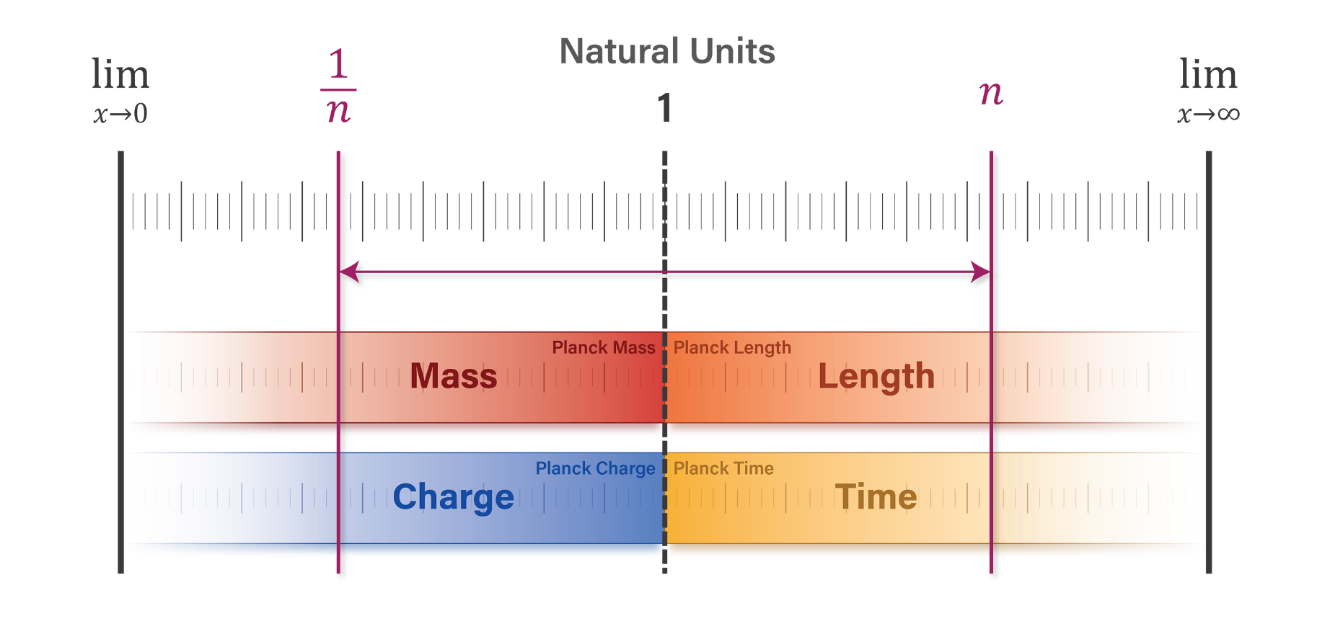
c | 299,792,458 | 1.00000000
lP / tP | 299792422.79198116 | 1.00000012

ℏ | 0 | 1.00000000
lP mP c | 0 | 0.99999983
lP2 mP / tP | 0 | 0.99999971

G | 1e-10 | 1.00000000
(lP / mP ) c2 | 1e-10 | 1.00000014
lP3 / mP tP2 | 1e-10 | 0.99999991

1.1 The natural unit scale

ƛC / lP | 2.3892224182E+22
mP / m0 | 2.3892220059E+22

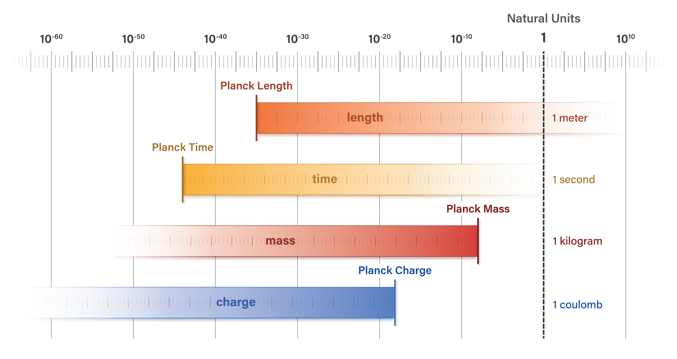

2.1 Independent units of measure

T = 1 / ΔvCs | 1e-10 | s
T / tP | 2.0177664965E+33 | T
λ = c / ΔvCs | 0.032612256 | m
λ / lP | 2.0177667334E+33 | L

If we redefine the meter as precisely one-half its present-day value, the natural unit length of the hyperfine transition radiation remains unchanged
1 m' = .5m
c' | 599,584,916 | 2.00000
lP' | 0 | 2.00000
λ' | 0.065224511 | 2.00000
λ' / lP' | 2.0177664965E+33

1/ c | 3.3e-09

2.2 Arbitrary unit systems

If we redefine the second as the time it takes light to travel one meter, then the Planck length and Planck time will be equal, and the universal constants would be…

tP' | 0 | s' | tP c
c' | 1.000000 | m / s' | lP / tP'
G' | 0 | m3 / kg s'2 | [ lP / mP ] c'2
ℏ' | 0 | kg m2 / s' | lP mP c'

…and the natural unit length and time of the hyperfine transition radiation will still be…
λ | 0.03261 | m
T | 0.03261 | s' | λ / c'
natural time units | 2.0177667334E+33 | T | T / tP'

2.3 The kilogram

Physical properties of radiation from the unperturbed ground-state hyperfine transition frequency of Cesium 133

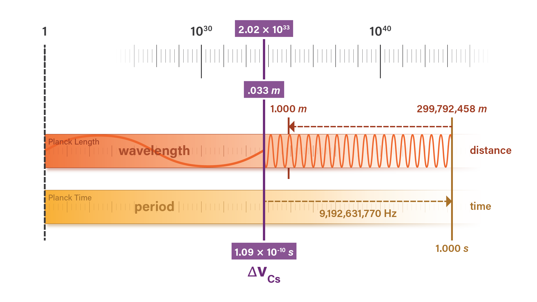
 | Wavelength | Inertial (EM) Mass | Period | Frequency | Wavenumber | Energy | Energy | Energy
 | λ | m | T | f | ν | E | E | E
 | m | kg | s | Hz | cycles / m | J | J | J
$$\frac{c}{f}$$
$$\frac{E}{c^{2}}$$
$$\frac{1}{f}$$
$${∆v}_{Cs}$$
$$\frac{f}{c}$$
$$h {∆v}_{Cs}$$
$$\frac{hc}{λ}$$
$$hcν$$
SI units | 0.0326122557 | 0 | 1e-10 | 9,192,631,770 | 30.66331899 | 0 | 0 | 0

$$\left(\frac{T}{t_{P}}\right)l_{P}$$
$$2π\left(\frac{t_{P}}{T}\right)m_{P}$$
$$2π\left(\frac{l_{P}}{λ}\right)m_{P}$$
$$\left(\frac{λ}{l_{P}}\right)t_{P}$$
$$\left(\frac{t_{P}}{T}\right)\frac{1}{l_{P}}$$
$$2π\left(\frac{l_{P}}{λ}\right)E_{P}$$
$$\left(\frac{m}{m_{P}}\right)E_{P}$$
$$2π\left(\frac{t_{P}}{T}\right)E_{P}$$
SI units | 0.0326122519 | 0 | 1e-10 |  | 30.66332 | 0 | 0 | 0

$$\frac{λ}{l_{P}}$$
$$\frac{m}{m_{P}}$$
$$\frac{T}{t_{P}}$$
$$\frac{E}{E_{P}}$$
 | L | M | T |  |  | E
Natural units | 2.0177667334E+33 | 0 | 2.0177664965E+33 | — | — | 0 | — | —
Inverse natural units | 0 | 3.2113749421E+32 | 0 |  |  | 3.2113749421E+32

 | ** The photon's wavelength and period are 2𝜋 times the inverse mass, so using the reduced wavelength and angular period align natural unit values of mass and energy with wavelength and period

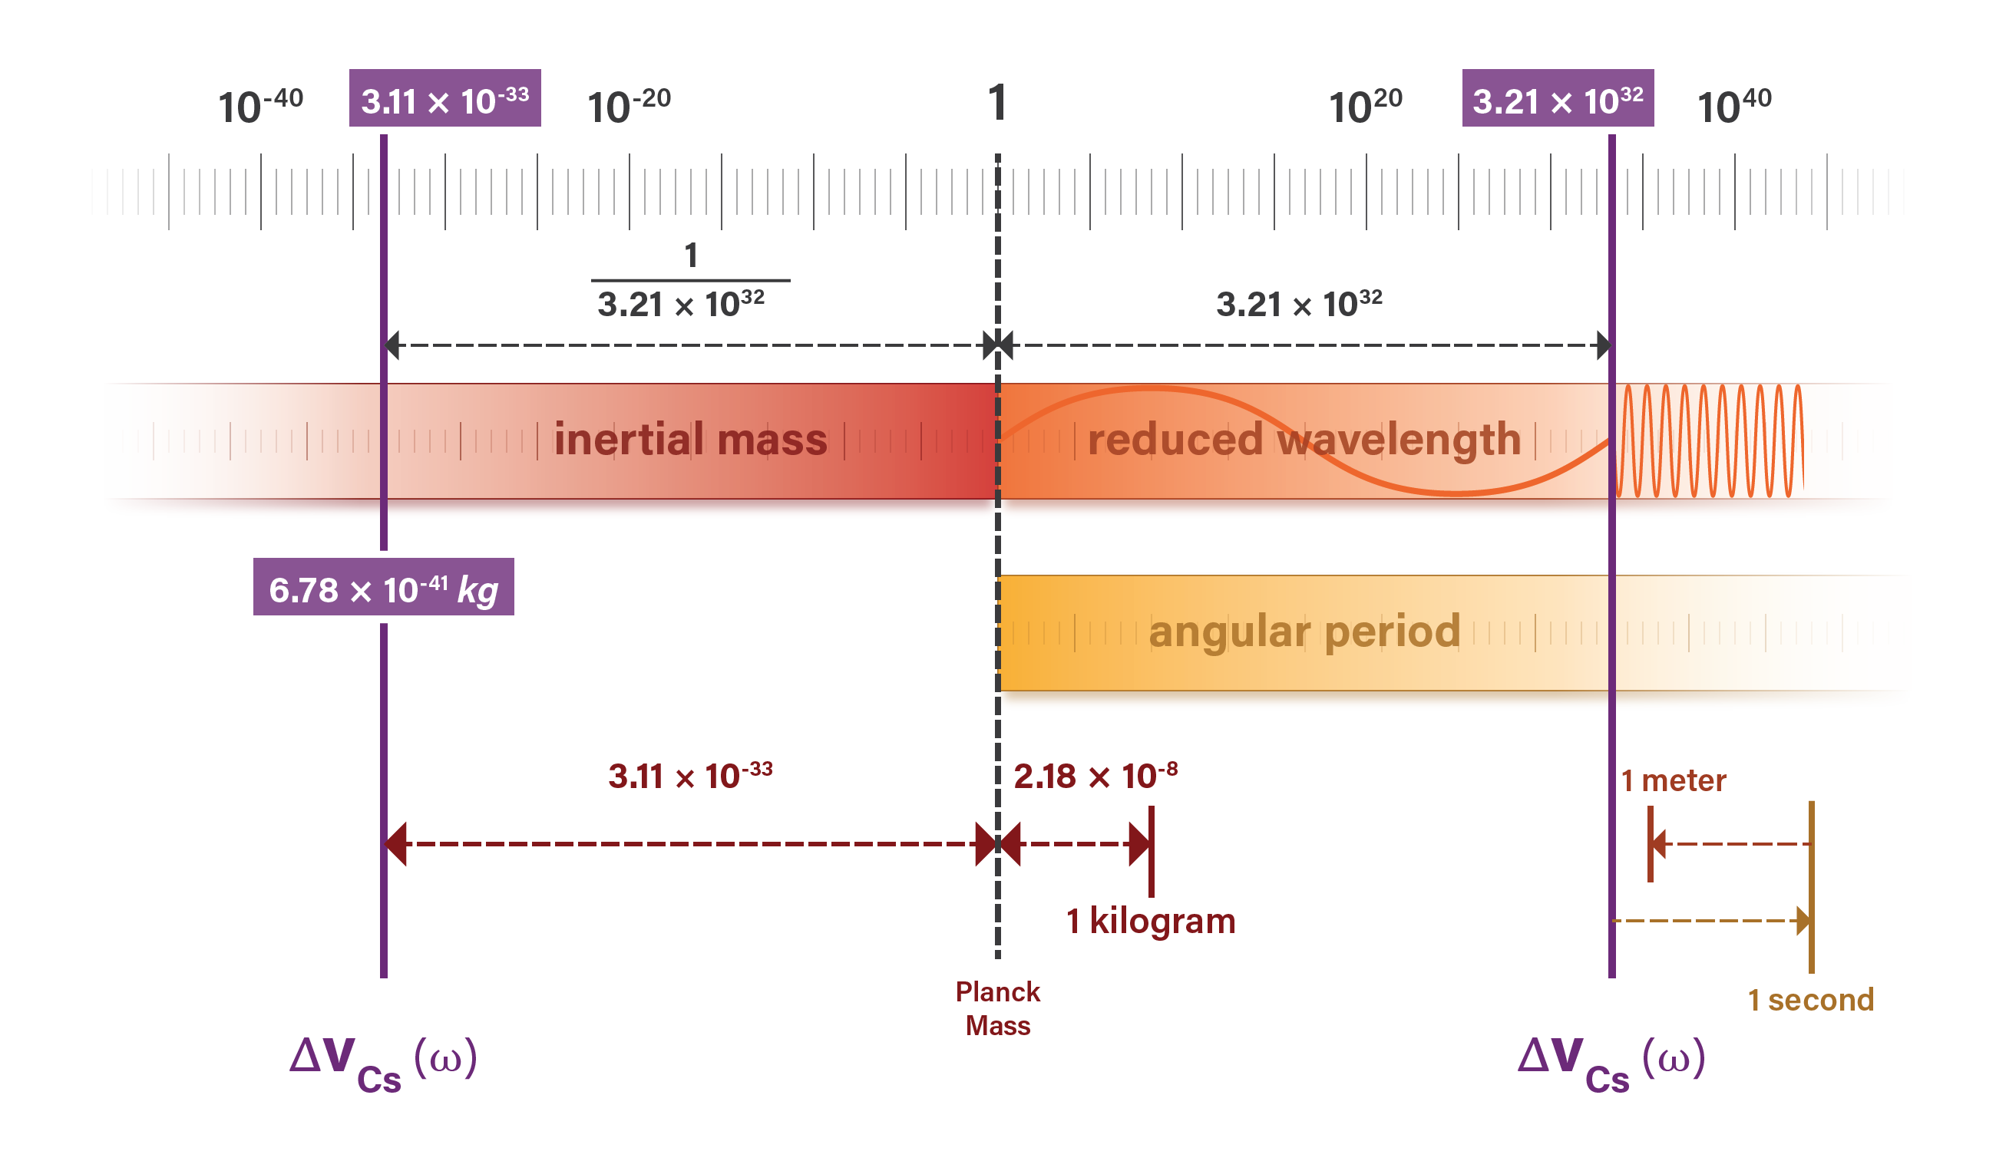
 | Reduced wavelength | Inertial (EM) Mass | Angular Period | Frequency | Wavenumber | Energy | Energy | Energy
 | ƛ | m | τ | ω | k | E | E | E
 | m | kg | s | radians / sec | radians / m | J | J | J
$$\frac{λ}{2π}$$
$$\frac{E}{c^{2}}$$
$$\frac{T}{2π}$$
$$2πf$$
$$\frac{ω}{c}$$
$$ℏω$$
$$\frac{ℏc}{ƛ}$$
$$ℏck$$
SI units | 0.0051904017 | 0 | 0 | 57,759,008,872 | 192.663315337894 | 0 | 0 | 0

$$\left(\frac{m_{P}}{m}\right)l_{P}$$
$$\left(\frac{τ}{t_{P}}\right)l_{P}$$
$$\left(\frac{l_{P}}{ƛ}\right)m_{P}$$
$$\left(\frac{t_{P}}{τ}\right)m_{P}$$
$$\left(\frac{ƛ}{l_{P}}\right)t_{P}$$
$$\left(\frac{m_{P}}{m}\right)t_{P}$$
$$\left(\frac{t_{P}}{τ}\right)\frac{1}{l_{P}}$$
$$\left(\frac{l_{P}}{ƛ}\right)E_{P}$$
$$\left(\frac{m}{m_{P}}\right)E_{P}$$
$$\left(\frac{t_{P}}{τ}\right)E_{P}$$
SI units | 0.0051904008 | 0 | 0 |  | 192.66334 | 0 | 0 | 0
 | 0.0051904011 | 0 | 0

$$\frac{ƛ}{l_{P}}$$
$$\frac{m}{m_{P}}$$
$$\frac{τ}{t_{P}}$$
$$\frac{E}{E_{P}}$$
 | L | M | T |  |  | E
Natural units | 3.2113754963E+32 | 0 | 3.2113751192E+32 |  |  | 0
Inverse natural units | 0 | 3.2113749421E+32 | 0 |  |  | 3.2113749421E+32

ƛ / lP | 3.2113754963E+32
mP / m | 3.2113749421E+32
τ / tP | 3.2113751192E+32
EP / E | 3.2113749421E+32

Table 2
Units | ƛ | m | τ | E
SI | meters | kilograms | seconds | joules
 | 0.0051904017 | 0 | 0 | 0
Natural | length (L) | mass (M) | time (T) | energy (E)
 | 3.2113754963E+32 | 0 | 3.2113751192E+32 | 0

E | 0
E | 0

m | 0
1 / m | 1.4755213997E+40

mP / m | 3.2113749421E+32
× 1 / mP | 45946718.34753546
= 1 / m | 1.4755213997E+40

h ΔvCs / c2 | 0 | 1.00000000
mP tP ΔvCs | 0 | 0.99999994
mP tP / τ | 0 | 0.99999994

3 Correlations of Matter

3.1 Rest Mass

Table 3
Lepton | ƛC | m0 | ƛC m0 | lPmP | lP / ƛC | m0 / mP |  | ƛC | m0
 | m | kg | kgm | kgm | L-1 | M |  | L | M
e | 0 | 0 | 0 | 0 | 0 | 0 |  | 2.3892224182E+22 | 0
μ | 0 | 0 | 0 | 0 | 0 | 0 |  | 1.1555072101865113e+20 | 0
τ | 0 | 0 | 0 | 0 | 0 | 0 |  | 6.871056856745996e+18 | 0

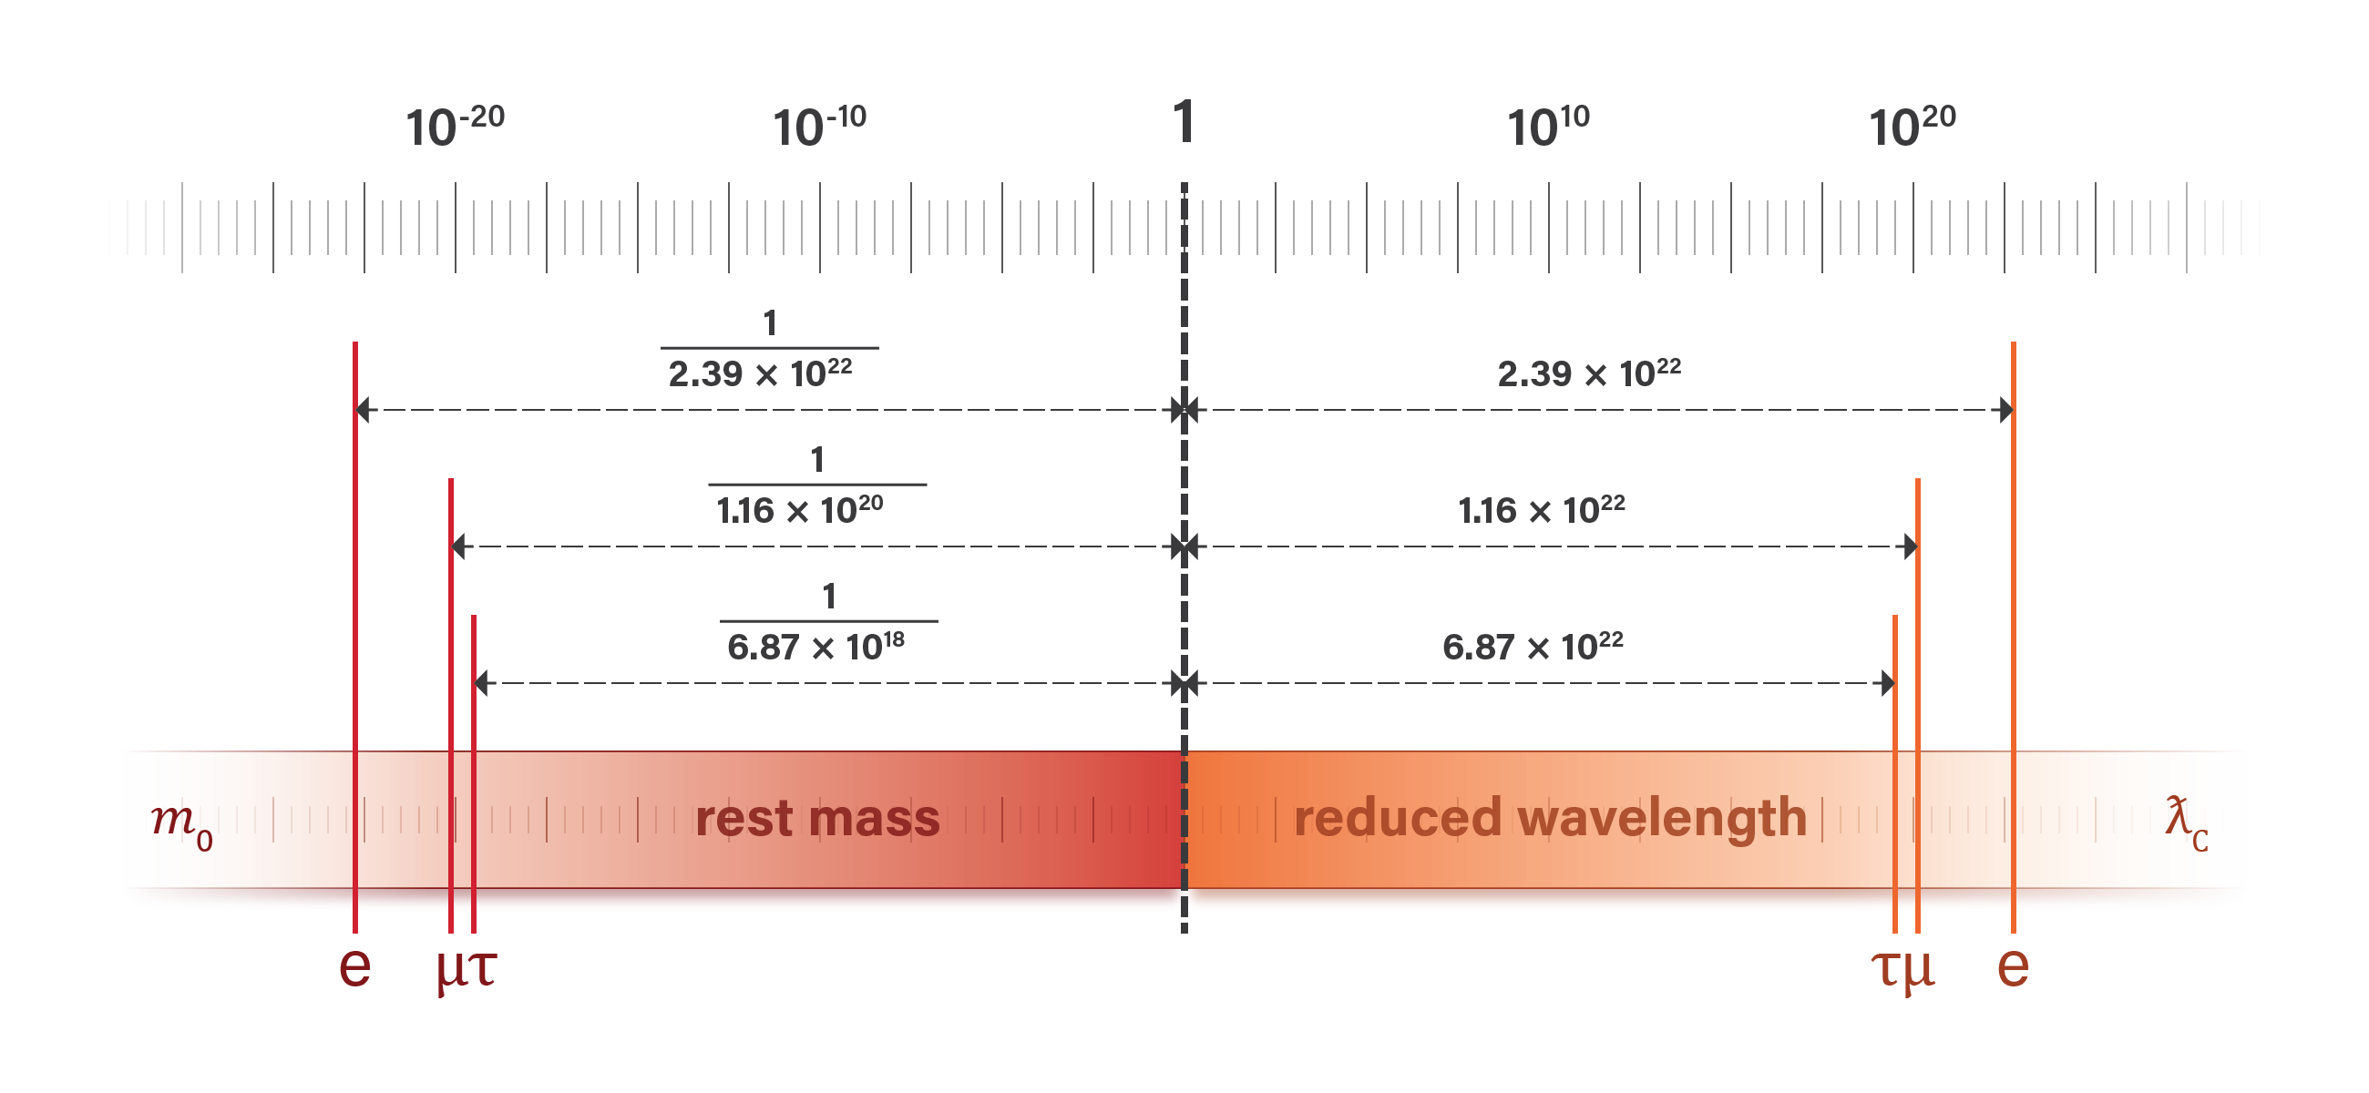
ℏ / c | 0 | 1.000000000000
ƛC m0 | 0 | 0.999999999998
lPmP | 0 | 0.9999998

ℏ | 0 | 1.000000000000
ƛC m0 c | 0 | 0.999999999998

ƛC / lP, e | 2.3892224182E+22
mP / m0, e | 2.3892220059E+22

ƛC / lP, μ | 1.1555072101865113e+20
mP / m0, μ | 1.1555070107670669e+20

ƛC / lP, τ | 6.871056856745996e+18
mP / m0, τ | 6.87105450917747e+18

3.2 Momentum

Table 4
Particle | ƛ | p | p | m | Wavelength−1 | Inertial mass |  | m0 | v
$$\frac{ℏ}{m_{0}v}$$
$$\frac{ℏ}{ƛ}$$
$$m_{0}v$$
$$\frac{p}{c}$$
$$\frac{l_{P}}{ƛ}$$
$$\frac{m}{m_{P}}$$
$$\frac{ℏ}{m_{0}ƛ}$$
 | m | kgm/s | kgm/s | kg | L−1 | M |  | kg | m/s
e | 0.0051904017 | 0 | 0 | 0 | 0 | 0 |  | 0 | 0.022304
μ | 0.0051904017 | 0 | 0 | 0 | 0 | 0 |  | 0 | 0.000108
τ | 0.0051904017 | 0 | 0 | 0 | 0 | 0 |  | 0 | 0.000006
γ | 0.0051904017 | 0 | — | 0 | 0 | 0 |  | — | 299,792,458

$$\frac{p}{c}$$
$$\frac{ℏ}{m_{0}ƛ}$$
$$\frac{ƛ}{v}$$
$$\frac{1}{τ}$$
$$\frac{1}{2}m_{0}v^{2}$$
$$\frac{1}{2}m_{0}v^{2}$$
$$\frac{ℏv}{2 ƛ}$$
$$m_{0}c^{2}$$
Table 5
Scenario | ƛ | m | v | τ | ω | EK |  | ƛC | m0 | E | E
 |  |  |  |  |  |  |  | CODATA | CODATA
 | m | kg | m/s | s | Hz | eV |  | m | kg | kgm2/s2 | kgm2/s2 | kgm2/s2
ƛ = ƛC | 0 | 0 | 299,792,458 | 0 | 7.763440706329109e+20 | 255,499.47 |  | 0 | 0 | 0 | 0 | 0
ƛ = 3 × ƛC | 0 | 0 | 99,930,819 | 0 | 8.626045229254566e+19 | 28,388.83 |  | 0 | 0 | 0 | 0 | 0
ƛ = ƛC / α | 1e-10 | 0 | 2,187,691 | 0 | 4.134137333529267e+16 | 13.61 |  | 0 | 0 | 0 | 0 | 0

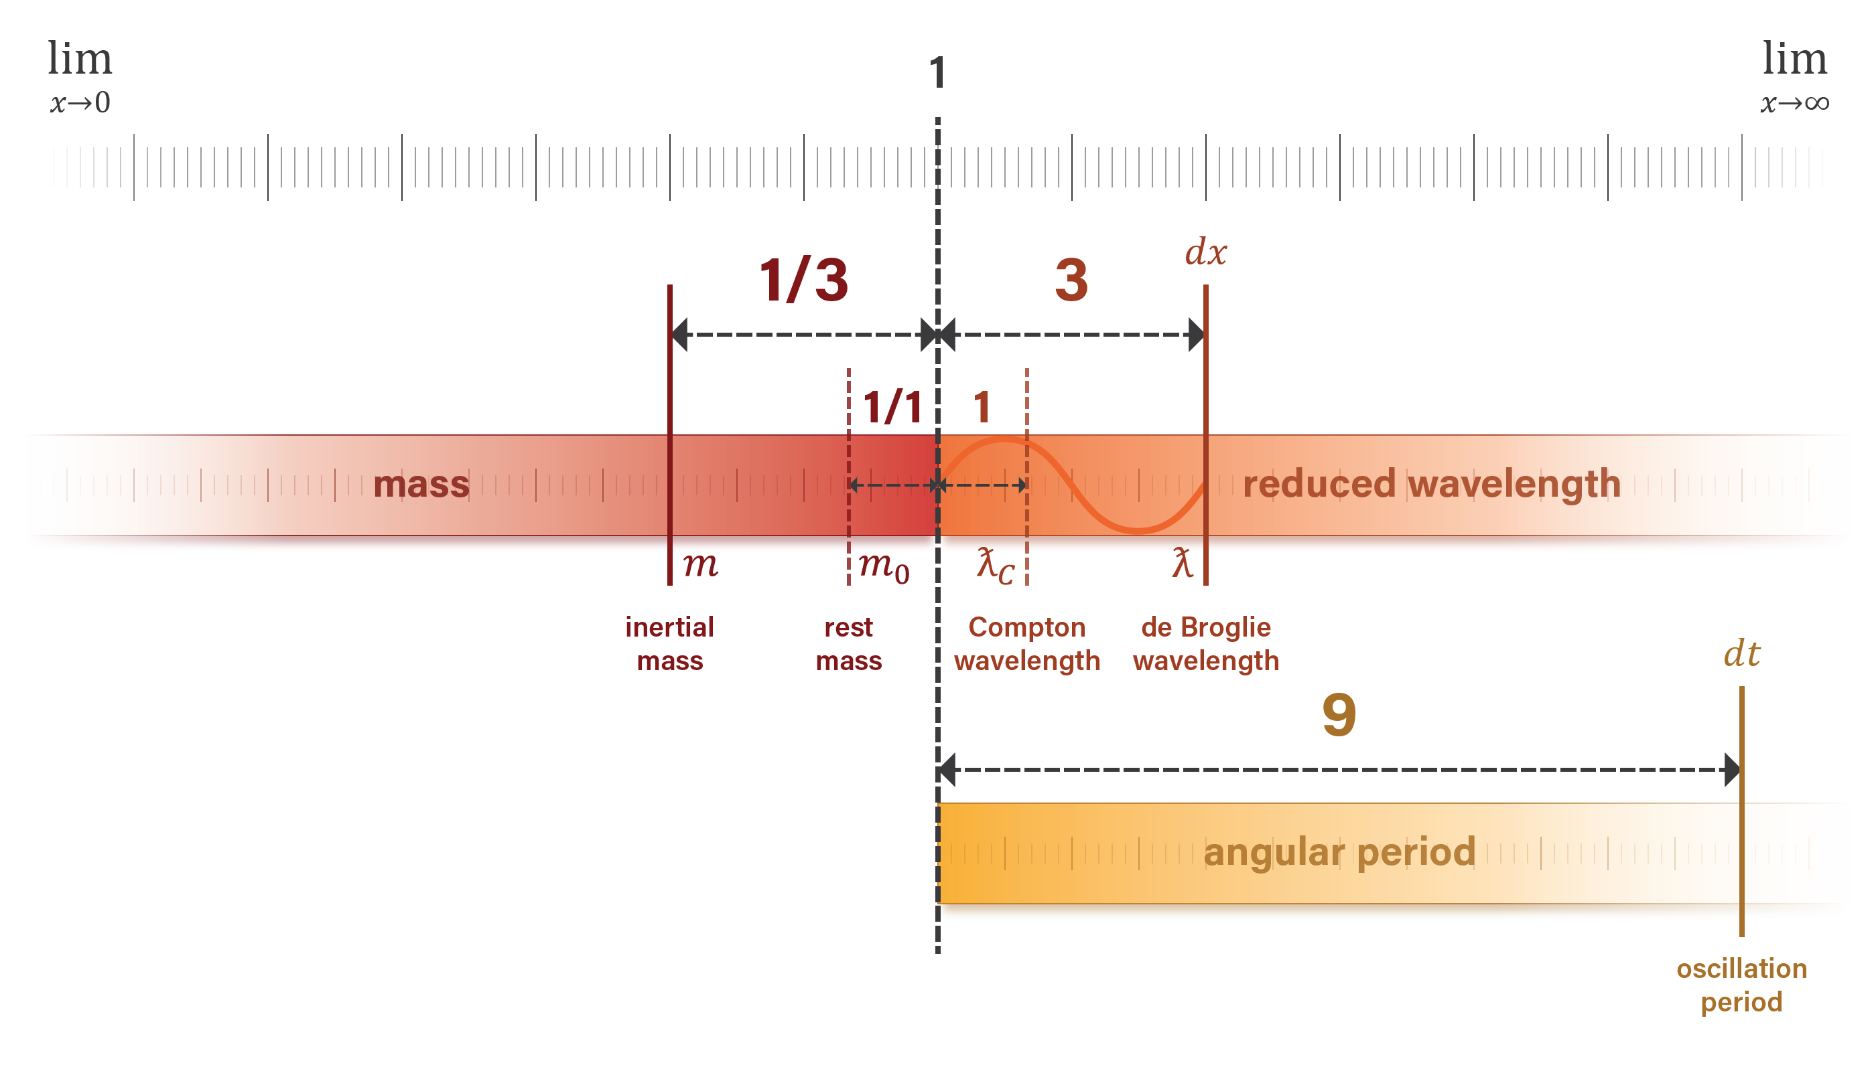

$$\frac{ƛ_{C}}{ƛ}$$
$$\frac{m}{m_{0}}$$
$$\frac{v}{c}$$
$$\frac{τ}{τ_{C}}$$
$$\frac{ω}{ω_{C}}$$
$${\left(\frac{v}{c}\right)}^{2}$$
$$\frac{E}{m_{0}c^{2}}$$
Table 6
Scenario
ƛ = 3 ƛC | 0.333333 | 0.333333 | 0.333333 | 9.000000 | 0.111111 | 0.111111 | 0.055556
 | 1 / 3 | 1 / 3 | 1 / 3 | 9 | 1 / 9 | 1 / 9 | 1 / 18
ƛ = 137 ƛC | 0.007297 | 0.007297 | 0.007297 | 18779 | 0.000053 | 0.000053 | 0.000027
 | 1 / 137 | 1 / 137 | 1 / 137 | 1372 | 1 / 1372 | 1 / 1372 | 1 / (2*1372)

4 Classical Gravity and Natural Units

 | Massive Body | Mass | Mass | Radius | Radius
 |  | M⊙ | kg | R⊙ | m
 | Sagittarius A* | 4154000 | 8.26010438E+36 |  | 12268173539.557735 |  | https://www.aanda.org/articles/aa/full_html/2019/05/aa35656-19/aa35656-19.html
 | GRO J1655-40 | 5.31 | 1.05587757E+31 |  | 15,682 |  | https://academic.oup.com/mnras/article/437/3/2554/1028565
 | 4U 1820−30 | 1.58 | 3.1417826E+30 |  | 9,100 |  | https://iopscience.iop.org/article/10.1088/0004-637X/719/2/1807
 | Sirius B | 1.034 | 2.05607798E+30 | 0.0084 | 5,847,710 |  | https://iopscience.iop.org/article/10.1086/305489
 | Sun | 1 | 1.98847E+30 |  | 696,156,000 |  | https://www.aanda.org/articles/aa/full_html/2018/08/aa32159-17/aa32159-17.html#:~:text=At%20607.1%20nm%2C%20the%20solar,value%20is%20%C2%B122%20km.
 | Earth |  | 5.9723E+24 |  | 6,371,000 |  | https://iau-a3.gitlab.io/NSFA/NSFA_cbe.html#EarthRadius2009

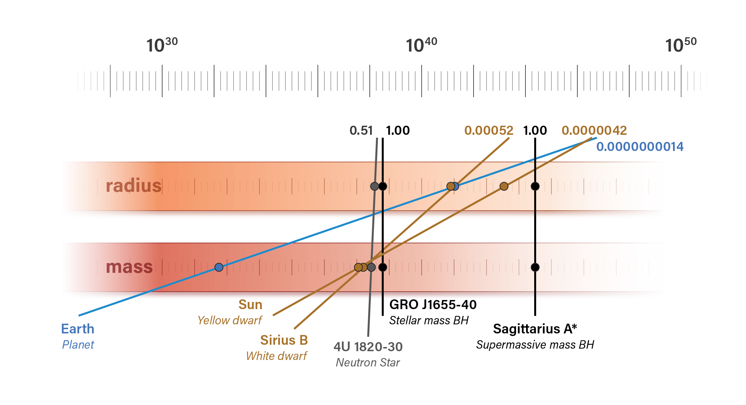
$$\frac{l_{P}}{R}$$
$$\frac{M}{m\text{P}}$$
$$2\frac{l_{P}}{R}\frac{M}{m_{P}}$$
Table 8
 | Massive Body | Type
 |  |  | L-1 | M | L-1 M
 | Sagittarius A* | Supermassive black hole | 0 | 3.7952468947E+44 | 1.000
 | GRO J1655-40 | Stellar mass black hole | 0 | 4.8514109318E+38 | 1.000
 | 4U 1820−30 | Neutron Star | 0 | 1.4435460023E+38 | 0.513
 | Sirius B | White dwarf | 0 | 9.4470035848E+37 | 0.0005222135
 | Sun | Star | 0 | 9.1363671033E+37 | 4.2424e-06
 | Earth | Planet | 0 | 2.7440758599E+32 | 1.4e-09

RS, Earth | 0.008870

5 Electromagnetism

5.1 Electrostatic force

Ke | 8987551792.26078 | 1.00000000
[mP lP3] / [tP qP] | 8987548130.179815 | 0.99999959

√α | 0.085424543132 | 1.000000000000
e / qP | 0.085424543132 | 0.999999999998

5.2 Vacuum permittivity

ε0 | 0 | 1.00000000
[ 1 / 4πFP ] [qP / lP ]2 | 0 | 1.00000041

$$\sqrt{4πε_{0}ℏc}$$
$$\frac{e}{\sqrt{α}}$$
Table 10
Constant | Symbol | Value | Dimensions | Stdandard Form | Natural Units | Value | Alternate | Value | Current form | Value | Unit dimensions
Planck charge | qP | 0 | C |  | — | — |  | 0 | — | — | C
$$\sqrt{\frac{4πℏα}{μ_{0}c}}$$
$$q_{P}\sqrt{α}$$
Elementary charge | e | 0 | C |  |  | 0 | — | — | — | — | C
$$\frac{4παℏ}{e^{2}c}$$
$$4πF_{P}{\left(\frac{t_{P}}{q_{P}}\right)}^{2}$$
$$4π\frac{l_{P}m_{P}}{q_{P}^{2}}$$
$$4πF_{P}\frac{1}{I_{P}^{2}}$$
Vacuum permeability | µ0 | 1.2566e-06 | N A−2 |  |  | 1.2566e-06 |  | 1.2566e-06 |  | 1.2566e-06 | kg m C−2
$$\frac{1}{μ_{0}c^{2}}$$
$$\frac{1}{4πF_{P}}{\left(\frac{q_{P}}{l_{P}}\right)}^{2}$$
$$\frac{1}{4πF_{P}c^{2}}{\left(\frac{q_{P}}{t_{P}}\right)}^{2}$$
$$\frac{1}{4πF_{P}c^{2}}I_{P}^{2}$$
Vacuum permittivity | ε0 | 0 | Fm-1 |  |  | 0 |  | 0 |  | 0 | C2 s2 kg−1 m−3
$$\frac{1}{4πε_{0}}$$
$$F_{P}{\left(\frac{l_{P}}{q_{P}}\right)}^{2}$$
$$F_{P}c^{2}{\left(\frac{t_{P}}{q_{P}}\right)}^{2}$$
$$F_{P}c^{2}\frac{1}{I_{P}^{2}}$$
Coulomb constant | ke | 8987551792.26078 | Nm2C−2 |  |  | 8987548130.179815 |  | 8987550241.19903 |  | 8987550241.19903 | kgm3 s−2 C−2
$$\frac{2πℏ}{e^{2}}$$
$$\frac{2π}{α} \frac{E_{P}}{t_{P}}{\left(\frac{t_{P}}{q_{P}}\right)}^{2}$$
$$\frac{2π}{α} \frac{m_{P}}{t_{P}} {\left(\frac{l_{P}}{q_{P}}\right)}^{2}$$
$$\frac{2π}{α} \frac{E_{P}}{t_{P}} \frac{1}{I_{P}^{2}}$$
von Klitzing constant | Rk | 25812.80746 | Ω |  |  | 25812.81 |  | 25812.80 |  | 25812.81 | kgm2 s C−2
$$\frac{2e}{h}$$
$$\frac{\sqrt{α}}{π} \frac{1}{E_{P}}\left(\frac{q_{P}}{t_{P}}\right)$$
$$\frac{\sqrt{α}}{π} \frac{1}{E_{P}} I_{P}$$
Josephson constant | KJ | 483597848416983.6 | Hz / V |  |  | 483597875082144.06 | — | — |  | 483597875082144.06 | C s kg−1 m−2
$$\frac{eℏ}{2m_{e}}$$
$$\frac{\sqrt{α}}{2} \frac{m_{P}}{m_{e}}l_{P}^{2}\left(\frac{q_{P}}{t_{P}}\right)$$
$$\frac{\sqrt{α}}{2} \frac{m_{P}}{m_{e}}l_{P}^{2} I_{P}$$
Bohr magneton | µB | 0 | J / T |  |  | 0 | — | — |  | 0 | C m2 s−1
$$\frac{2e^{2}}{2πℏ}$$
$$\frac{α}{π} \frac{t_{P}}{E_{P}}{\left(\frac{q_{P}}{t_{P}}\right)}^{2}$$
$$\frac{α}{π} \frac{t_{P}}{m_{P}}{\left(\frac{q_{P}}{l_{P}}\right)}^{2}$$
$$\frac{α}{π} \frac{t_{P}}{E_{P}}I_{P}^{2}$$
Conductance quantum | G0 | 7.74809e-05 | S |  |  | 7.74809e-05 |  | 7.74809e-05 |  | 7.74809e-05 | C2 s kg−1 m−2
$$\frac{2πℏ}{2e}$$
$$\frac{π}{\sqrt{α}}E_{P}\left(\frac{t_{P}}{q_{P}}\right)$$
$$\frac{π}{\sqrt{α}}E_{P}\frac{1}{I_{P}}$$
Magnetic flux quantum | φ0 | 0 | Wb |  |  | 0 | — | — |  | 0 | kgm2 s−1 C−1
$$μ_{0}c$$
$$4π\frac{E_{P}}{t_{P}}{\left(\frac{t_{P}}{q_{P}}\right)}^{2}$$
$$4π\frac{E_{P}}{t_{P}} \frac{1}{I_{P}^{2}}$$
Vacuum impedance | Z0 | 376.730313667 | Ω |  |  | 376.7303 | — | — |  | 376.7303 | kgm2 s C−2

5.3 Vacuum permeability

μ0 | 1.2566e-06 | 1.0000000
4π FP [tP / qP]2 | 1.2566e-06 | 0.9999998

5.4 Electromagnetic potentials

$$\sqrt{\frac{4πc^{6}ε_{0}}{G}}$$
$$\frac{q_{P}}{t_{P}}$$
Table 11
Constant | Symbol | Unit Value | Dimensions | Std Form | Natural form | value | Alternate | value | Alternate | value | Unit dims
Current potential | Ip | 3.4788727538E+25 | A |  |  | 3.4788723978E+25 | — | — |  |  | A
$$\sqrt{\frac{c^{4}}{4πε_{0}G}}$$
$$\frac{E_{P}}{t_{P}} \left(\frac{1}{I_{P}}\right)$$
$$\frac{E_{P}}{q_{P}}$$
$$\frac{E_{P}}{t_{P}} \left(\frac{t_{P}}{q_{P}}\right)$$
Voltage potential | Vp | 1.0429398145E+27 | V |  |  | 1.0429396503E+27 |  | 1.0429396503E+27 |  | 1.0429396503E+27 | kg m2 s−3 A−1
$$\frac{1}{4πε_{0}c}$$
$$\frac{E_{P}}{t_{P}}{\left(\frac{1}{I_{p}}\right)}^{2}$$
$$\frac{m_{P}}{t_{P}}{\left(\frac{l_{P}}{q_{P}}\right)}^{2}$$
$$\frac{E_{P}}{t_{P}} {\left(\frac{t_{P}}{q_{P}}\right)}^{2}$$
Impedance potential | Zp | 29.9792458163 | Ω |  |  | 29.9792441633 |  | 29.9792371217 |  | 29.9792441633 | kg m2 s−3 A−2
$$\frac{1}{4πε_{0}}\sqrt{\frac{ℏG}{c^{7}}}$$
$$E_{P}{\left(\frac{1}{I_{p}}\right)}^{2}$$
$$m_{P}{\left(\frac{l_{P}}{q_{P}}\right)}^{2}$$
$$E_{P}{\left(\frac{t_{P}}{q_{P}}\right)}^{2}$$
Inductance potential | Lp | 0 | H |  |  | 0 |  | 0 |  | 0 | kg m2 s−2 A−2
$$\sqrt{\frac{c^{5}}{4πε_{0}ℏG^{2}}}$$
$$\frac{m_{P}}{t_{P}^{2}} \left(\frac{1}{I_{P}}\right)$$
$$\frac{m_{P}}{t_{P}q_{P}}$$
$$\frac{m_{P}}{t_{P}^{2}} \left(\frac{t_{P}}{q_{P}}\right)$$
Magnetic inductance potential | Bp | 2.152428115E+53 | T |  |  | 2.1524275558E+53 |  | 2.1524275558E+53 |  | 2.1524275558E+53 | kg s−2 A−1
$$4πε_{0}c$$
$$\frac{t_{P}}{E_{P}} I_{P}^{2}$$
$$\frac{t_{P}}{m_{P}}{\left(\frac{q_{P}}{l_{P}}\right)}^{2}$$
$$\frac{t_{P}}{E_{P}} {\left(\frac{q_{P}}{t_{P}}\right)}^{2}$$
Conductance potential | Gp | 0.0333564095 | S |  |  | 0.0333564113 |  | 0.0333564192 |  | 0.0333564113 | s3 A2 kg−1 m−2
$$4πε_{0}\sqrt{\frac{ℏG}{c^{3}}}$$
$$\frac{t_{P}^{2}}{E_{P}} I_{P}^{2}$$
$$\frac{q_{P}^{2}}{E_{P}}$$
$$\frac{t_{P}^{2}}{E_{P}} {\left(\frac{q_{P}}{t_{P}}\right)}^{2}$$
Capacitance potential | Cp | 0 | F |  |  | 0 |  | 0 |  | 0 | s4 A2 kg−1 m−2
$$\sqrt{\frac{ℏ}{4πε_{0}c}}$$
$$E_{P}\left(\frac{1}{I_{P}}\right)$$
$$E_{P} \left(\frac{t_{P}}{q_{P}}\right)$$
Magnetic flux potential | φp | 0 | Wb |  |  | 0 | — | — |  | 0 | kg m2 s−2 A−1

6. Putting it all together

R∞ | 10973731.56816 | CODATA | 1.000000000000
R∞ | 10973731.568071619 | { me e4 }{ 8 ε02 h3 c } | 0.999999999992
R∞ | 10973731.568138644 | { me α2 c }{ 2h } | 0.999999999998
R∞ | 10973733.461973432 | { me α2 }{ 4π lP mP } | 1.0000002

6.1 Luminosity

 | Equality |  | Natural Unit Formula |  | Simplified Formula
$$\frac{L}{P_{P}}=\frac{π^{2}}{60}{\left(\frac{E}{E_{P}}\right)}^{4}\left(\frac{A}{l_{P}^{2}}\right)$$
$$L=\frac{π^{2}}{60}{\left(\frac{E}{E_{P}}\right)}^{4}P_{p}\left(\frac{A}{l_{P}^{2}}\right)$$
$$L=\left(\frac{π^{2}}{60}\right)P\left(\frac{A}{l_{P}^{2}}\right)$$
$$\frac{E}{E_{P}}=\frac{t_{P}}{τ}=\frac{l_{P}}{ƛ}$$

 | Sun's temperature | 5778 | K
 | Sun's surface area | 6.090080105852257e+18 | m2

 |  | Constant | Radiant power per Planck area | Planck energy per Planck time | Ratio of the sun's surface area to Planck area | Sun's luminosity
$$\left(\frac{π^{2}}{60}\right)$$
$${\left(\frac{E}{E_{P}}\right)}^{4}$$
$$\frac{E_{P}}{t_{P}}$$
$$\left(\frac{A}{l_{P}^{2}}\right)$$
$$L$$
 |  | − | E T−1 | W | L2 | W
 |  | 0.16 | 0 | 3.6282539618E+52 | 2.3313272625E+88 | 3.8489747822E+26

Standard luminosity formula result |  | The Natural unit formula illustrates how temperature is converted to power per Planck area and then expanded to the sun's surface

Standard luminosity formula result |  | Avg kinetic energy & radiation energy equivalent | Photon energy in natural units | Photon period in natural units | Radiant power per Planck length | Radiant power per Planck area | Planck power | Radiant power per Planck area | Scaling factor from the Planck area to the sun's surface area | Multiplied by a constant | Equals the sun's luminosity
$$L=σAT^{4}$$
$$E=k_{B}T$$
$$\frac{E}{E_{P}}$$
$$\frac{τ}{t_{P}}$$
$$\frac{E/{E_{P}}}{τ/{t_{P}}}={\left(\frac{E}{E_{P}}\right)}^{2}$$
$${\left(\frac{E}{E_{P}}\right)}^{4}$$
$$P_{p}$$
$$P$$
$$\left(\frac{A}{l_{P}^{2}}\right)$$
$$\left(\frac{π^{2}}{60}\right)$$
$$L=\left(\frac{π^{2}}{60}\right)P\left(\frac{A}{l_{P}^{2}}\right)$$
W |  | J | E | T | E T−1 | E T−1 | W | W | L2 | dimensionless | W
3.8489732413E+26 |  | 0 | 0 | 2.4520317395E+28 | 0 | 0 | 3.6282539618E+52 | 0 | 2.3313272625E+88 | 0.16 | 3.8489747822E+26

Appendix
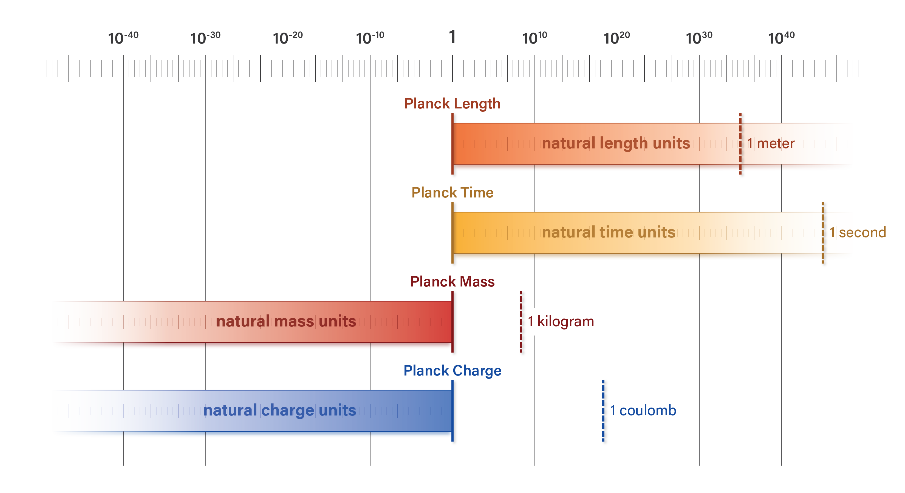

Table 13
Unit | conversion | Unit | formula
1 m | 3.3e-09 | s | tP / lP
1 m | 1.3465907298E+27 | kg | mP / lP
1 m | 1.1604270599501381e+17 | C | qP / lP

1 s | 299792458 | m | lP / tP
1 s | 4.036976974E+35 | kg | mP / tP
1 s | 3.4788723978E+25 | C | qP / tP

1 kg | 0 | m | lP / mP
1 kg | 0 | s | tP / mP
1 kg | 1e-10 | C | qP / mP

1 C | 0 | m | lP / qP
1 C | 0 | s | tP / qP
1 C | 11604268603.166275 | kg | mP / qP

