Bifactor structures
DASS-8
 |  | Regression Weights: (Group number 1 - Default model)

 |  |  |  |  | Estimate | S.E. | C.R. | P | Label
 |  | DASS9 | <--- | Anxiety | 1
 |  | DASS15 | <--- | Anxiety | 0.851 | 0.056 | 15.126 | *** | par_2
 |  | DASS20 | <--- | Anxiety | 0.809 | 0.055 | 14.576 | *** | par_3
 |  | DASS10 | <--- | Depression | 1
 |  | DASS13 | <--- | Depression | 0.356 | 0.098 | 3.624 | *** | par_4
 |  | DASS16 | <--- | Depression | 1.141 | 0.13 | 8.781 | *** | par_5
 |  | DASS8 | <--- | Stress | 1
 |  | DASS12 | <--- | Stress | 0.394 | 0.12 | 3.296 | *** | par_9
 |  | DASS10 | <--- | DASS8GeneralFactor | 0.704 | 0.031 | 22.774 | *** | a
 |  | DASS13 | <--- | DASS8GeneralFactor | 0.704 | 0.031 | 22.774 | *** | a
Supplementary Figure 1. Bifactor structure of the DASS-8 |  | DASS16 | <--- | DASS8GeneralFactor | 0.704 | 0.031 | 22.774 | *** | a
 |  | DASS9 | <--- | DASS8GeneralFactor | 0.704 | 0.031 | 22.774 | *** | a
 |  | DASS15 | <--- | DASS8GeneralFactor | 0.704 | 0.031 | 22.774 | *** | a
 |  | DASS20 | <--- | DASS8GeneralFactor | 0.704 | 0.031 | 22.774 | *** | a
 |  | DASS8 | <--- | DASS8GeneralFactor | 0.704 | 0.031 | 22.774 | *** | a
 |  | DASS12 | <--- | DASS8GeneralFactor | 0.704 | 0.031 | 22.774 | *** | a

 | DASS-12

 |  |  |  | Regression Weights: (Group number 1 - Default model)

 |  |  |  |  |  |  | Estimate | S.E. | C.R. | P | Label
 |  |  |  | DASS2 | <--- | Anxiety | 1
 |  |  |  | DASS4 | <--- | Anxiety | 1.148 | 0.085 | 13.556 | ***
 |  |  |  | DASS7 | <--- | Anxiety | 1.409 | 0.103 | 13.701 | ***
 |  |  |  | DASS19 | <--- | Anxiety | 0.868 | 0.074 | 11.767 | ***
 |  |  |  | DASS3 | <--- | Depression | 1
 |  |  |  | DASS10 | <--- | Depression | 0.81 | 0.099 | 8.175 | ***
 |  |  |  | DASS13 | <--- | Depression | 0.173 | 0.099 | 1.75 | 0.08
 |  |  |  | DASS17 | <--- | Depression | 1.218 | 0.124 | 9.818 | ***
 |  |  |  | DASS1 | <--- | Stress | 1
 |  |  |  | DASS11 | <--- | Stress | -0.087 | 0.105 | -0.827 | 0.408
 |  |  |  | DASS12 | <--- | Stress | 0.11 | 0.095 | 1.164 | 0.244
 |  |  |  | DASS18 | <--- | Stress | 0.372 | 0.086 | 4.333 | ***
 |  |  |  | DASS3 | <--- | DASS12Total | 0.716 | 0.024 | 29.628 | *** | a
 |  |  |  | DASS10 | <--- | DASS12Total | 0.716 | 0.024 | 29.628 | *** | a
Supplementary Figure 2+A101. Bifactor structure of the DASS-12 |  |  |  | DASS13 | <--- | DASS12Total | 0.716 | 0.024 | 29.628 | *** | a
 |  |  |  | DASS17 | <--- | DASS12Total | 0.716 | 0.024 | 29.628 | *** | a
 |  |  |  | DASS2 | <--- | DASS12Total | 0.716 | 0.024 | 29.628 | *** | a
 |  |  |  | DASS4 | <--- | DASS12Total | 0.716 | 0.024 | 29.628 | *** | a
 |  |  |  | DASS7 | <--- | DASS12Total | 0.716 | 0.024 | 29.628 | *** | a
 |  |  |  | DASS19 | <--- | DASS12Total | 0.716 | 0.024 | 29.628 | *** | a
 |  |  |  | DASS1 | <--- | DASS12Total | 0.716 | 0.024 | 29.628 | *** | a
 |  |  |  | DASS11 | <--- | DASS12Total | 0.716 | 0.024 | 29.628 | *** | a
 |  |  |  | DASS12 | <--- | DASS12Total | 0.716 | 0.024 | 29.628 | *** | a
 |  |  |  | DASS18 | <--- | DASS12Total | 0.716 | 0.024 | 29.628 | *** | a

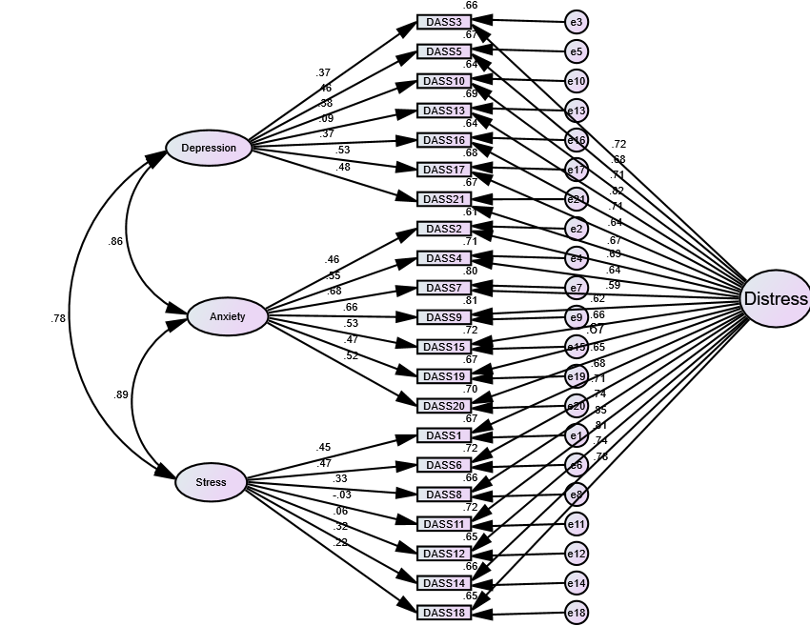
DASS-21
 |  |  |  | Regression Weights: (Group number 1 - Default model)

 |  |  |  |  |  |  | Estimate | S.E. | C.R. | P | Label
 |  |  |  | DASS2 | <--- | Anxiety | 1
 |  |  |  | DASS4 | <--- | Anxiety | 1.175 | 0.093 | 12.602 | ***
 |  |  |  | DASS7 | <--- | Anxiety | 1.569 | 0.117 | 13.457 | ***
 |  |  |  | DASS9 | <--- | Anxiety | 1.458 | 0.107 | 13.571 | ***
 |  |  |  | DASS15 | <--- | Anxiety | 1.094 | 0.087 | 12.631 | ***
 |  |  |  | DASS19 | <--- | Anxiety | 0.955 | 0.082 | 11.604 | ***
 |  |  |  | DASS20 | <--- | Anxiety | 1.094 | 0.088 | 12.362 | ***
 |  |  |  | DASS3 | <--- | Depression | 1
 |  |  |  | DASS5 | <--- | Depression | 1.315 | 0.137 | 9.635 | ***
 |  |  |  | DASS10 | <--- | Depression | 1.055 | 0.118 | 8.925 | ***
 |  |  |  | DASS13 | <--- | Depression | 0.202 | 0.096 | 2.108 | 0.035
 |  |  |  | DASS16 | <--- | Depression | 1.02 | 0.116 | 8.794 | ***
 |  |  |  | DASS17 | <--- | Depression | 1.63 | 0.167 | 9.769 | ***
 |  |  |  | DASS21 | <--- | Depression | 1.399 | 0.145 | 9.66 | ***
 |  |  |  | DASS1 | <--- | Stress | 1
 |  |  |  | DASS6 | <--- | Stress | 0.991 | 0.088 | 11.209 | ***
 |  |  |  | DASS8 | <--- | Stress | 0.668 | 0.078 | 8.579 | ***
 |  |  |  | DASS11 | <--- | Stress | -0.055 | 0.09 | -0.613 | 0.54
 |  |  |  | DASS12 | <--- | Stress | 0.106 | 0.084 | 1.269 | 0.204
 |  |  |  | DASS14 | <--- | Stress | 0.642 | 0.078 | 8.272 | ***
 |  |  |  | DASS18 | <--- | Stress | 0.419 | 0.076 | 5.537 | ***
 |  |  |  | DASS3 | <--- | Distress | 0.723 | 0.024 | 30.192 | *** | a
 |  |  |  | DASS5 | <--- | Distress | 0.723 | 0.024 | 30.192 | *** | a
 |  |  |  | DASS10 | <--- | Distress | 0.723 | 0.024 | 30.192 | *** | a
 |  |  |  | DASS13 | <--- | Distress | 0.723 | 0.024 | 30.192 | *** | a
Supplementary Figure 3. Bifactor structure of the DASS-21 |  |  |  | DASS16 | <--- | Distress | 0.723 | 0.024 | 30.192 | *** | a
 |  |  |  | DASS17 | <--- | Distress | 0.723 | 0.024 | 30.192 | *** | a
 |  |  |  | DASS21 | <--- | Distress | 0.723 | 0.024 | 30.192 | *** | a
 |  |  |  | DASS2 | <--- | Distress | 0.723 | 0.024 | 30.192 | *** | a
 |  |  |  | DASS4 | <--- | Distress | 0.723 | 0.024 | 30.192 | *** | a
 |  |  |  | DASS7 | <--- | Distress | 0.723 | 0.024 | 30.192 | *** | a
 |  |  |  | DASS9 | <--- | Distress | 0.723 | 0.024 | 30.192 | *** | a
 |  |  |  | DASS15 | <--- | Distress | 0.723 | 0.024 | 30.192 | *** | a
 |  |  |  | DASS19 | <--- | Distress | 0.728 | 0.037 | 19.914 | ***
 |  |  |  | DASS20 | <--- | Distress | 0.723 | 0.024 | 30.192 | *** | a
 |  |  |  | DASS1 | <--- | Distress | 0.723 | 0.024 | 30.192 | *** | a
 |  |  |  | DASS6 | <--- | Distress | 0.723 | 0.024 | 30.192 | *** | a
 |  |  |  | DASS8 | <--- | Distress | 0.723 | 0.024 | 30.192 | *** | a
 |  |  |  | DASS11 | <--- | Distress | 0.723 | 0.024 | 30.192 | *** | a
 |  |  |  | DASS12 | <--- | Distress | 0.723 | 0.024 | 30.192 | *** | a
 |  |  |  | DASS14 | <--- | Distress | 0.723 | 0.024 | 30.192 | *** | a
 |  |  |  | DASS18 | <--- | Distress | 0.723 | 0.024 | 30.192 | *** | a

